HARDWARE
EAW _FUMI | Machine Name | Features | Description & Versions

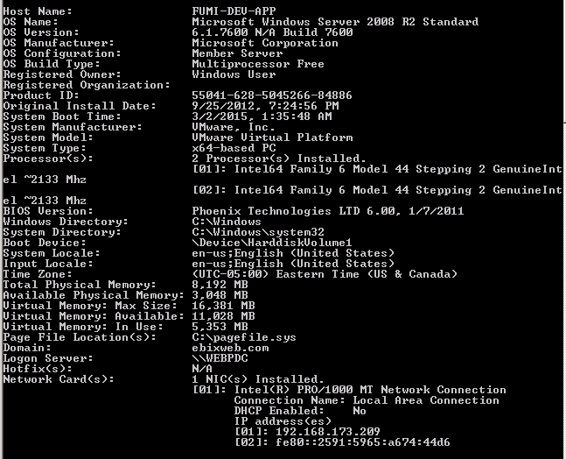
Port 81,82,84 | 192.168.173.209(FUMI-DEV-APP)

 |  | RAM | 8 GB
 |  | Hard Drive | 119 GB
 |  | IIS | IIS -7
 |  | ThirdParty | ABCPDF 9.0

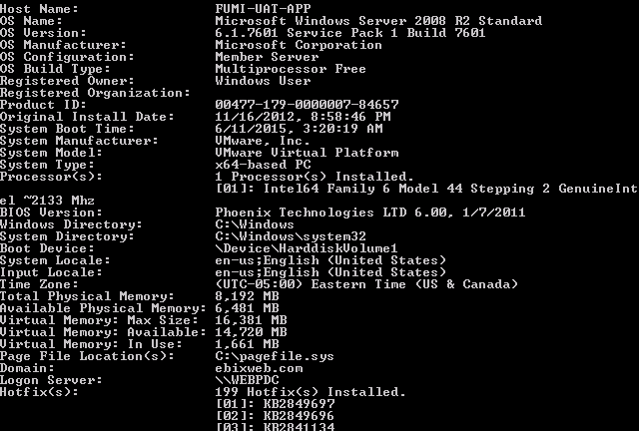
Port 83 | 192.168.173.207 (FUMI-UAT-APP)

 |  | RAM | 8 GB
 |  | Hard Drive | 80 GB
 |  | IIS | IIS -7
 |  | ThirdParty | ABCPDF 9.0

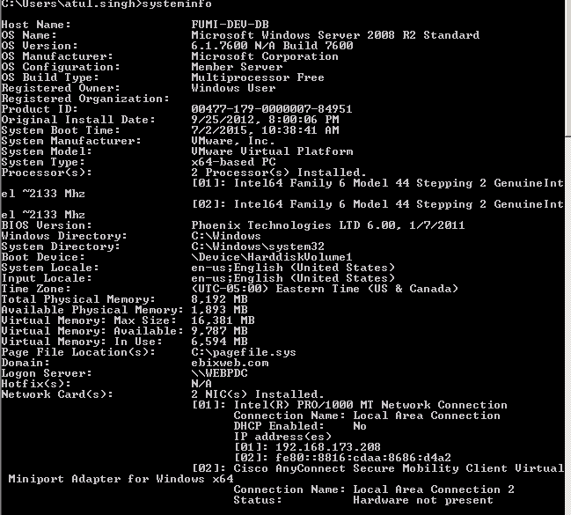
Port 81,82,84 | 192.168.173.208 (FUMI-DEV-DB)

 |  | RAM | 8GB
 |  | Hard drive | 149GB
 |  | SQL server | Microsoft SQL Server 2008 R2 (RTM) - 10.50.1600.1 (X64) Apr 2 2010 15:48:46 Copyright (c) Microsoft Corporation Developer Edition (64-bit) on Windows NT 6.1 <X64> (Build 7600: ) (Hypervisor)

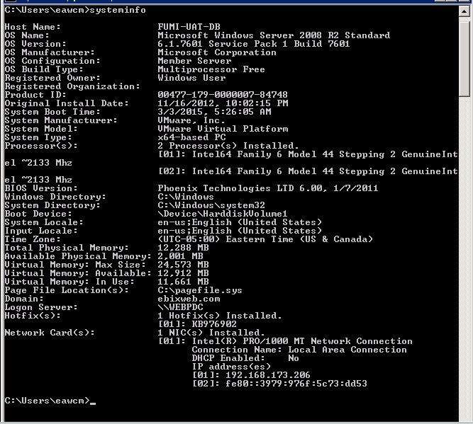
Port 83 | 192.168.173.206 (FUMI-UAT-DB)

 |  | RAM | 12 GB
 |  | Hard drive | 79.8GB
 |  | SQL server | Microsoft SQL Server 2008 R2 (RTM) - 10.50.1600.1 (X64) Apr 2 2010 15:48:46 Copyright (c) Microsoft Corporation Developer Edition (64-bit) on Windows NT 6.1 <X64> (Build 7601: Service Pack 1) (Hypervisor)

 | JUAT and MissileDev(Web server ) | OS Name | Microsoft Windows Server 2008 R2 Standard (Standalone Configuration)
 |  | OS Version | 6.1.7600 N/A Build 7600
 |  | Processor | 4 Processor(s) Installed. [01]: Intel64 Family 6 Model 44 Stepping 2 GenuineInt el ~2666 Mhz [02]: Intel64 Family 6 Model 44 Stepping 2 GenuineInt el ~2666 Mhz [03]: Intel64 Family 6 Model 44 Stepping 2 GenuineInt el ~2666 Mhz [04]: Intel64 Family 6 Model 44 Stepping 2 GenuineInt el ~2666 Mhz
 |  |  | [01]: Intel64 Family 6 Model 44 Stepping 2 GenuineIntel ~2666 Mhz
 |  |  | [02]: Intel64 Family 6 Model 44 Stepping 2 GenuineIntel ~2666 Mhz
 |  |  | [03]: Intel64 Family 6 Model 44 Stepping 2 GenuineIntel ~2666 Mhz
 |  |  | [04]: Intel64 Family 6 Model 44 Stepping 2 GenuineIntel ~2666 Mhz

 |  | RAM | 8 Gb
 |  | Hard Drive | 50 GB
 |  | System type (bit) | x64-based PC
 |  | Culture | en-us;English (United States)
 |  | TimeZone | As per requirement
 |  | IIS | IIS version (7.5.7600.16385)
 |  | Third Party Component (TPC) | As per requirement

 | JUAT and MissileDev(database server ) | OS Name | Microsoft Windows Server 2008 R2 Enterprise (Member Server)
 |  | OS Version | 6.1.7600 N/A Build 7600
 |  |  | [01]: Intel64 Family 6 Model 44 Stepping 2 GenuineIntel ~1599 Mhz
 |  |  | [02]: Intel64 Family 6 Model 44 Stepping 2 GenuineIntel ~1599 Mhz

 |  | RAM | 24 Gb
 |  | Hard Drive | 750 GB
 |  | System type (bit) | x64-based PC
 |  | Culture | en-us;English (United States)
 |  | TimeZone | As per requirement
 |  | SQL server | Microsoft SQL Server 2008 R2 (RTM) - 10.50.1600.1 (X64) Apr 2 2010 15:48:46 Copyright (c) Microsoft Corporation Standard Edition (64-bit) on Windows NT 6.1 <X64> (Build 7600: )
 |  | Third Party Component (TPC) | As per requirement

 | Production (Web server ) | OS Name | Microsoft Windows Server 2008 R2 Standard (Standalone Configuration)
 |  | OS Version | 6.1.7600 N/A Build 7600
 |  | Processor | 4 Processor(s) Installed.
 |  |  | [01]: Intel64 Family 6 Model 44 Stepping 2 GenuineIntel ~2666 Mhz
 |  |  | [02]: Intel64 Family 6 Model 44 Stepping 2 GenuineIntel ~2666 Mhz
 |  |  | [03]: Intel64 Family 6 Model 44 Stepping 2 GenuineIntel ~2666 Mhz
 |  |  | [04]: Intel64 Family 6 Model 44 Stepping 2 GenuineIntel ~2666 Mhz

 |  | RAM | 8 Gb
 |  | Hard Drive | 50 GB
 |  | System type (bit) | x64-based PC
 |  | Culture | en-us;English (United States)
 |  | TimeZone | As per requirement
 |  | IIS | IIS version (7.5.7600.16385)
 |  | Third Party Component (TPC) | As per requirement

 | Production (database server ) | OS Name | Microsoft Windows Server 2008 R2 Enterprise (Member Server)
 |  | OS Version | 6.1.7600 N/A Build 7600
 |  |  | [01]: Intel64 Family 6 Model 44 Stepping 2 GenuineIntel ~1599 Mhz
 |  |  | [02]: Intel64 Family 6 Model 44 Stepping 2 GenuineIntel ~1599 Mhz

 |  | RAM | 24 Gb
 |  | Hard Drive | 2000 GB
 |  | System type (bit) | x64-based PC
 |  | Culture | en-us;English (United States)
 |  | TimeZone | As per requirement
 |  | SQL server | Microsoft SQL Server 2008 R2 (RTM) - 10.50.1600.1 (X64) Apr 2 2010 15:48:46 Copyright (c) Microsoft Corporation Standard Edition (64-bit) on Windows NT 6.1 <X64> (Build 7600: )
 |  | Third Party Component (TPC) | As per requirement

 | Production (File server ) | OS Name | Microsoft Windows Server 2008 R2 Enterprise (Member Server)
 |  | OS Version | 6.1.7600 N/A Build 7600
 |  |  | [01]: Intel64 Family 6 Model 44 Stepping 2 GenuineIntel ~1599 Mhz
 |  |  | [02]: Intel64 Family 6 Model 44 Stepping 2 GenuineIntel ~1599 Mhz

 |  | RAM | 24 Gb
 |  | Hard Drive | 2000 GB
 |  | System type (bit) | x64-based PC
 |  | Culture | en-us;English (United States)
 |  | TimeZone | As per requirement

